SLSA sunscreen
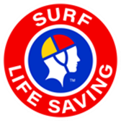

SURF LIFE SAVING SUNSCREEN — WHOLESALE ORDER FORM
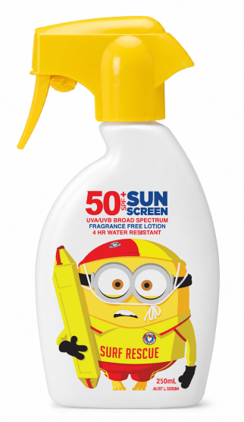

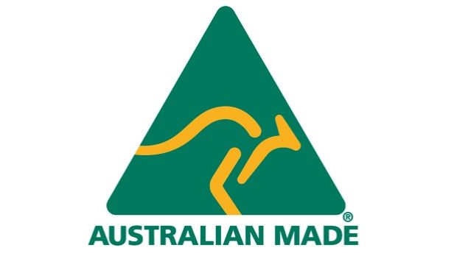 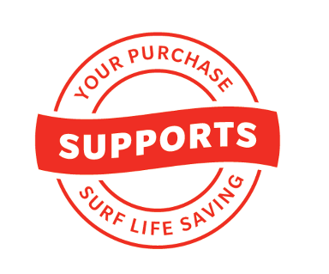
 | SPORT Tube | SPORT Lotion Spray | SPORT Tube | SPORT Lotion Spray | DAILY Finger Spray | DAILY Pump Pack | Kids DM 'Minions' | Kids DM "Minions " | Kids SPF50 Zinc Roll-On ** | Insect Repellent – Sport Zinc Tube ** | Zinc Stick - Tinted | Natural Mineral Face Liquid Zinc LIGHT | Natural Mineral Face Liquid Zinc MEDIUM | Zinc Sticks Tinted | Aloe Vera After Sun Gel Tube * | Moisurise & Protect Lip Balm
 | SPF 50+ | SPF 50+ | SPF 50+ | SPF 50+ | SPF 50+ | SPF 50+ | SPF 50+ | SPF 50+ | SPF 50 | SPF 50 | SPF 50+ | SPF 50 | SPF 50 | SPF 50+ | After Sun | SPF 30
 | 200ml Tube | 175gr Aerosol | 100ml Tube | 250ml Trigger | 200ml Spray | 1 litre Pump | 75 ml Roll On | 250 ml Trigger | 100g Tube | 100g Tube | 12g stick | 110g Pump | 110g Pump | 12g stick Triple Pack | 200ml Tube | 4.5g Stick
Suggested Retail price | $20.00 | $20.00 | $14.00 | $21.00 | $20.00 | $33.00 | $12.00 | $21.00 | $22.00 | $19.00 | $12.00 | $23.00 | $23.00 | $23.00 | $12.00 | $6.00
Net Invoice price (your cost) | $8.75 | $8.75 | $6.75 | $10.00 | $8.75 | $19.00 | $6.50 | $10.00 | $10.00 | $9.00 | $5.50 | $10.00 | $10.00 | $11.00 | $6.00 | $2.75
Order quantity →
Carton qty (min order) | 24 | 24 | 24 | 24 | 24 | 12 | 24 | 24 | 24 | 24 | 72 | 24 | 24 | 36 | 24 | 60
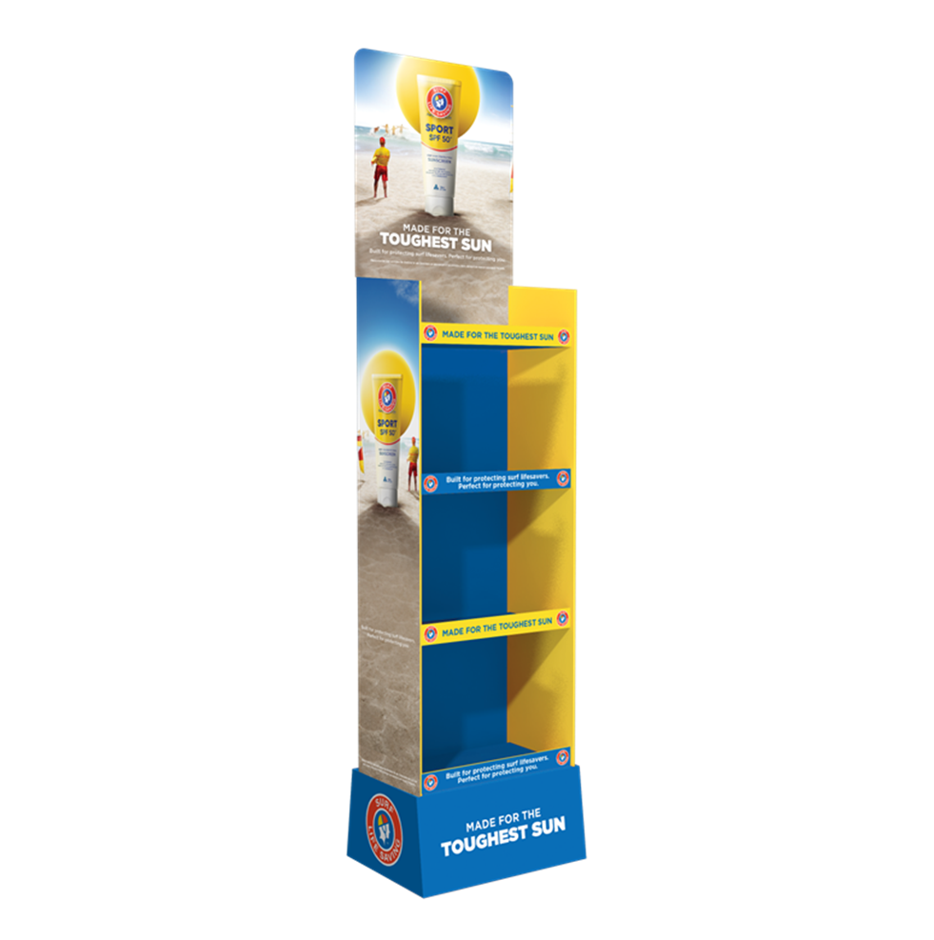
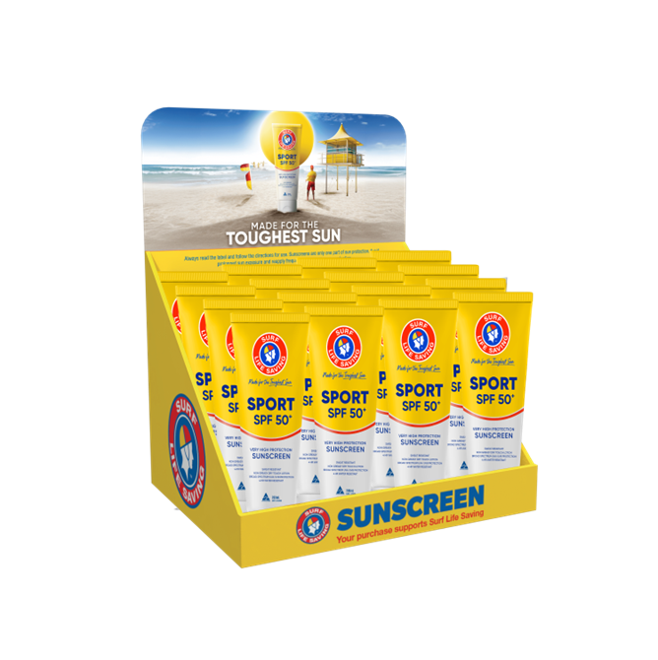
Invoice total: | $0.00

Min. Order value for free shipping is $200
Name / Customer: |  |  |  |  |  |  |  | Floor Stand available FOC with any order |  | Y / N
Delivery Address: |  |  |  |  |  |  |  | counter unit available FOC with any order |  | Y / N

Contact phone:
Contact person:
Contact email :

Send orders to: | orders@sunlifeproducts.com.au
Further information: | (02) 9060 3723

*
SLSA Aloe Vera 200ml Gel Tube attract GST
**
Please note that this SKU will only be available from 1 October 2026.

